Sheet1
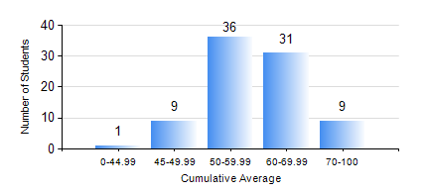
 |  |  | KWAME NKRUMAH UNIVERSITY OF SCIENCE AND TECHNOLOGY, KUMASI Department of Materials Engineering

 |  |  | BSC. MATERIALS ENG.

 |  |  | COMPREHENSIVE RECORD OF EXAMINATION RESULTS

 |  |  | RESULTS OF YEAR 3 FIRST SEMESTER, 2019/2020 ACADEMIC YEAR

 | Sn | Course Code |  | Course Name | Credit Hours | Min. Mark | Max. Mark | Avg. Mark | Std. Dev. | No. Passed | No. Trailed | No. (Df) | No. (I) | No. (I*) | No. Tagged(I,I*,Df) | Total
 | 0. |  |  |  |  |  |  | 0 | 0 | 0 | 0 | 0 | 0 | 0 | 0 | 3
 | 1. | FC 181 |  | FRENCH FOR COMMUNICATION PURPOSES I | 2 | 46 | 46 | 46 | 0 | 1 | 0 | 0 | 0 | 0 | 0 | 1
 | 2. | MATH 353 |  | PROBABILTY AND STATISTICS | 2 | 48 | 84 | 67 | 9.41 | 81 | 0 | 0 | 1 | 0 | 1 | 82
 | 3. | ME 355 |  | STRENGTH OF MATERIALS II | 3 | 20 | 94 | 52 | 17.27 | 69 | 12 | 0 | 1 | 0 | 1 | 82
 | 4. | MSE 351 |  | ENGINEERING CERAMICS I | 3 | 28 | 89 | 61 | 13.86 | 78 | 3 | 0 | 1 | 0 | 1 | 82
 | 5. | MSE 353 |  | PYROMETALLURGY | 3 | 41 | 75 | 56 | 5.7 | 81 | 0 | 0 | 1 | 0 | 1 | 82
 | 6. | MSE 355 |  | POLYMER PROCESSING | 2 | 35 | 82 | 57 | 9.14 | 79 | 2 | 0 | 1 | 0 | 1 | 82
 | 7. | MSE 357 |  | FOUNDRY TECHNOLOGY I | 3 | 32 | 92 | 64 | 11.47 | 80 | 1 | 0 | 1 | 0 | 1 | 82
 | 8. | MSE 359 |  | MATERIALS ENGINEERING LABORATORY I | 2 | 40 | 84 | 63 | 10.47 | 82 | 0 | 0 | 1 | 0 | 1 | 83

